Table 7.1 Example Student Achi
Table 7.1 - Standard #7 Student Achievement
Use this table to supply data for Standard 7
 | You must provide results for each program, concentration, specialization, etc. accredited or to be accredited. There must be a link on your business page website to this table. Place link here such as: https://www.nmcc.edu/accreditation/business-technology-accreditation/ |  |  |  |  | 0
Student Achievement | Accredited Programs Bachelor of Business Administration (BBA) Degree Business Administration Major Concentrations: Accounting General Business Health Care Management Human Resource Management Management Management Information Systems Marketing Nonprofit Management Sports Management
Must report on goal of graduates by program and results.
BBA Degrees Awarded by Program (BAS programs not included) | Goal 2024 | Results Fall 2022 | Results Fall 2023 | Results Fall 2024 | Graph
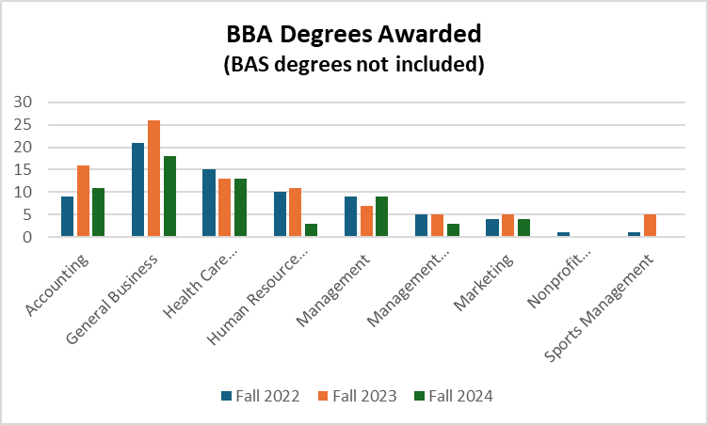
Accounting | 12 | 9 | 16 | 11
General Business | 20 | 22 | 26 | 18
Health Care Management | 15 | 15 | 13 | 13
Human Resource Management | 9 | 10 | 11 | 3
Management | 8 | 9 | 7 | 9
Management Information Systems | 4 | 5 | 5 | 3
Marketing | 4 | 4 | 5 | 4
Nonprofit Management | 1 | 1 | 0 | 0
Sports Management | 2 | 1 | 5 | 4

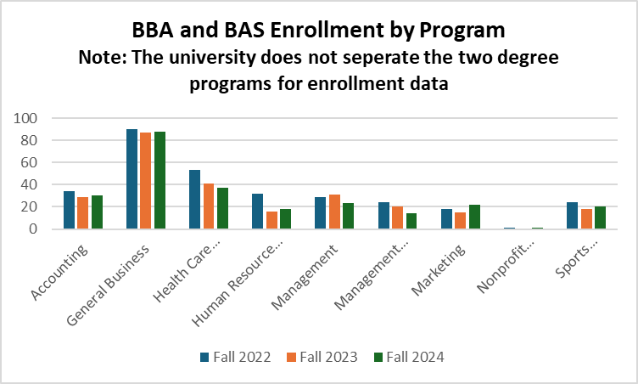
At least one other student achievement
BBA and BAS Enrollment by Program | Goal 2024 | Results Fall 2022 | Results Fall 2023 | Results Fall 2024
Accounting | 29 | 34 | 29 | 30
General Business | 88 | 90 | 87 | 88
Health Care Management | 41 | 53 | 41 | 37
Human Resource Management | 16 | 32 | 16 | 18
Management | 31 | 29 | 31 | 23
Management Information Systems | 20 | 24 | 20 | 14
Marketing | 15 | 18 | 15 | 22
Nonprofit Management | 0 | 1 | 0 | 1
Sports Management | 18 | 24 | 18 | 20

First-time, Full-time Bachelor's Transfer Cohort Retention/Graduation Rate
First-time, Full-time Bachelor's Transfer Cohort - Retention/Graduation Rates - Fall 2023 Cohort | Goal 2024 | Results Fall 2024
Major: Business Admin (BAS) | 75% | 91%
Major: Business Admin (BBA) | 75% | 78%

First-time, Full-time Bachelor's Freshman Cohort Retention/Graduation Rate
First-time, Full-time Bachelor's Freshman Cohort - Retention/Graduation Rates - Fall 2023 Cohort BBA Only - (BAS is all transfer) | Goal 2024 | Results Fall 2024
Major: Business Admin (BBA) | 77% | 60%

